Exercise 1
1 | Apply Data Validation of 'Whole Numbers' to the shaded area and see if you can enter the following numbers - 1, 2, 3, 4, 5, 7.1, a, 8, 9
2
3
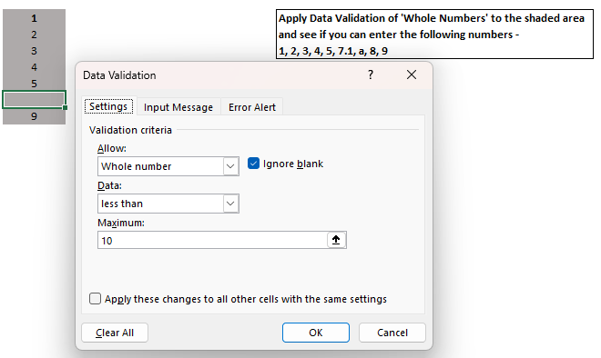
4
5

9

Exercise 2
1 | Apply Data Validation of 'Decimals' to the shaded area and see if you can enter the following numbers - 1, 2.1, 3, 4, 5, 7.1, a, 8
2.1
3
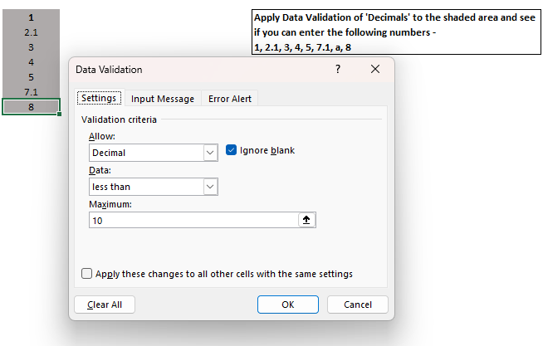
4
5
7.1
8

Exercise 3
7 | 1 | Apply Data Validation of 'List' to the shaded area and the list should consist of following elements - 1, 2, 3, 4, 5, 6, 7
6 | 2
5 | 3
4 | 4
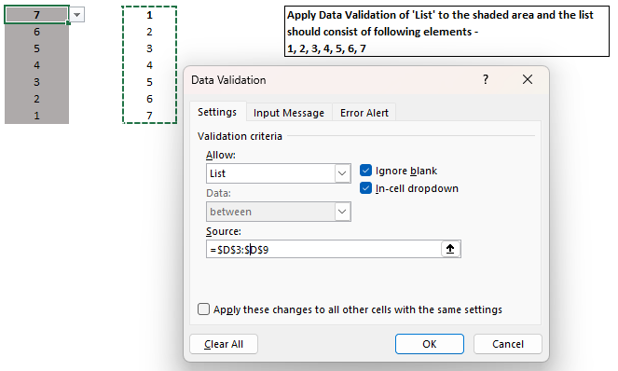
3 | 5
2 | 6
1 | 7

Exercise 4
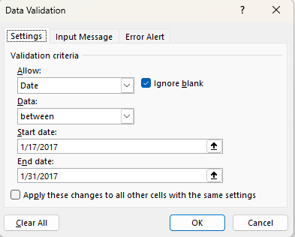
2017-01-17 | Apply Data Validation of 'Date' to the shaded area and the validation should be such that you can enter only dates which are present between 1st Jan17 and 31st Jan17
2017-01-18
2017-01-19
2017-01-20
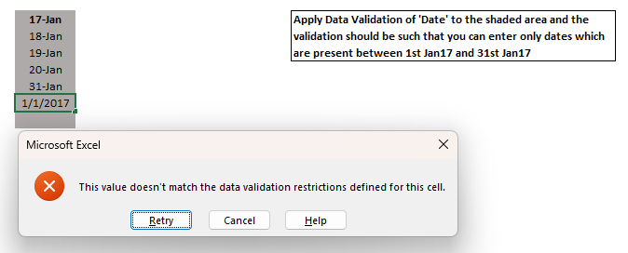
2017-01-31

Exercise 5
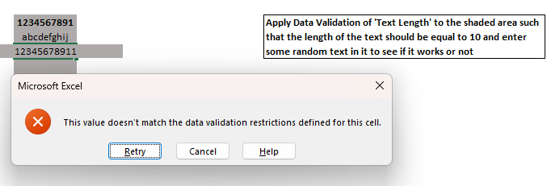
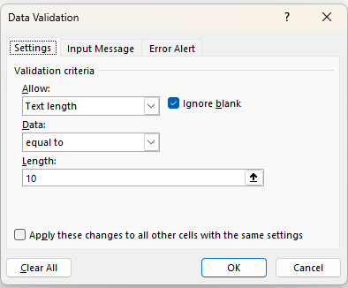
1234567891 | Apply Data Validation of 'Text Length' to the shaded area such that the length of the text should be equal to 10 and enter some random text in it to see if it works or not
abcdefghij

Exercise 6
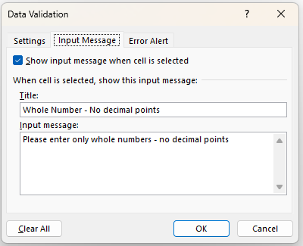
1 | Apply Data Validation of 'Whole Numbers' to the shaded area and change the Input Message to 'Please enter only whole numbers - no decimal points' - 1, 2, 3, 4, 5.1, 6, 7, 8
2
3
4
6
8
7

Exercise 7
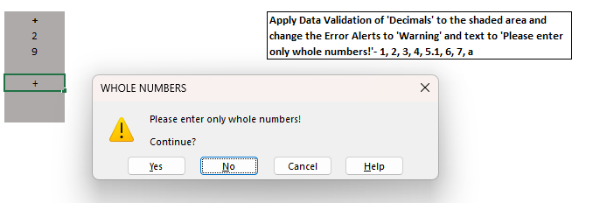
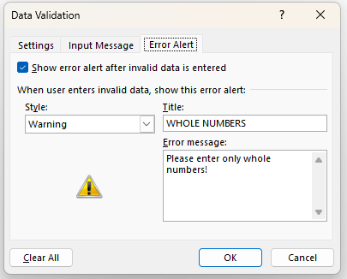
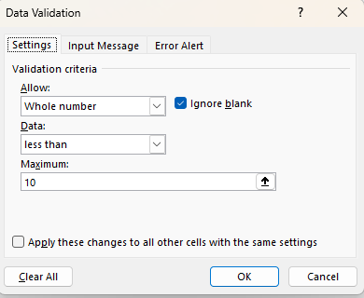
+ | Apply Data Validation of 'Decimals' to the shaded area and change the Error Alerts to 'Warning' and text to 'Please enter only whole numbers!'- 1, 2, 3, 4, 5.1, 6, 7, a
2
9

Exercise 8
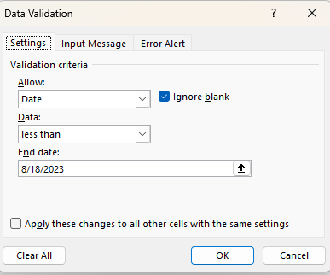
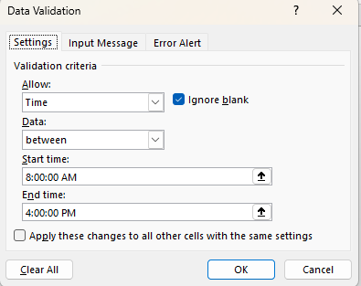
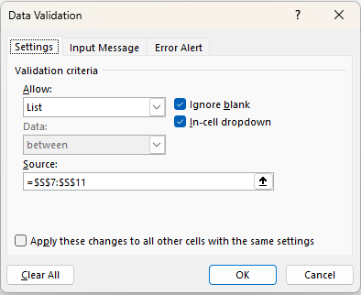
Name | Age | Gender | Salary | Date of Joining | Time of Filling | Designation | Use Data Validation so that when a user enters data in the table on the left, it adheres to the following conditions - 1) Name - this field should not be more than 15 characters 2) Age - this field should be a whole number - no decimal 3) Gender - this field should either contain M or F 4) Salary - this field should not be more than $100,000 and values can be in decimals 5) Date of Joining - this should not be more than today's date 6) Time of Filling - this needs to be between 8:00AM and 4:00PM 7) Designation - this field should have 3 values 'AVP', 'VP' or ' Analyst'
jerom | 12 | M | $100,000.00 | 20-May-23 | 16:00:00 | Analyst

 |  |  |  |  |  |  |  |  | M | AVP
 |  |  |  |  |  |  |  |  | F | VP
 |  |  |  |  |  |  |  |  |  | Analyst

NAME |  |  |  |  | AGE |  |  | Gender |  | Salary
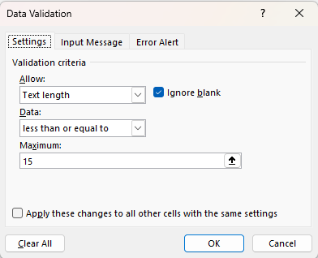
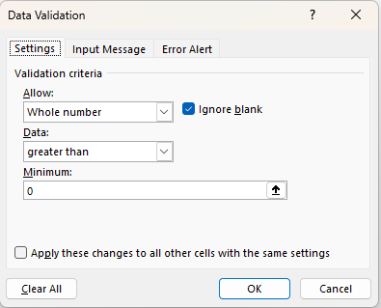
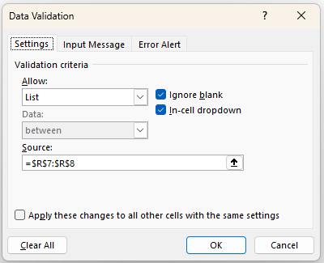
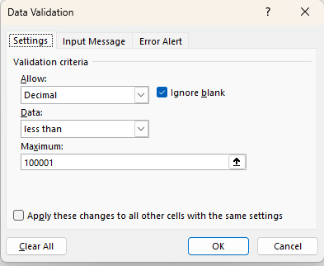

Date of Joining |  |  |  |  | Time of Filling |  |  | Designation

